Sheet1
Hierarchical Clustering
$Euclidean Distance \left(L2\right)= \sqrt{{\left(x_{1}−x_{2}\right)}^{2}+{\left(y_{1}−y_{2}\right)}^{2}+…}$

Step 1: Calculate distances between pairs and merge CD (using shortest branch) as it is most similar pair
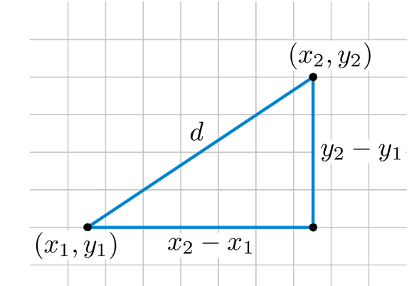
Our initial vectors |  |  | Step 1a: Calculate distances between all pairs
 |  |  | Distance Matrix (= Dissimilarity Matrix)
Vector | x | y |  | A | B | C | D
A | 18 | 0 | A | 0
B | 22 | 0 | B | 4 | 0
C | 43 | 0 | C | 25 | 21 | 0
D | 42 | 0 | D | 24 | 20 | 1 | 0

A
B
C
D

Step 2: Calculate distances between pairs and merge AB (using next shortest branch) as it is next most similar pair
Step 1b: Merge CD using shortest branch (as it is most similar pair) |  |  | Step 2a: Calculate distances between all pairs
 |  |  | Distance Matrix (= Dissimilarity Matrix)
Vector | x | y |  | A | B | CD
A | 18 | 0 | A | 0
B | 22 | 0 | B | 4 | 0
CD | 42.5 | 0 | CD | 24.5 | 20.5 | 0

A
B
C
D

Step 3: merge clusters AB with CD using longest branch
Step 2b: Merge AB using next shortest branch (as it is the next most similar pair) |  |  | Step 3a: Calculate distances between all pairs
 |  |  | Distance Matrix (= Dissimilarity Matrix)
Vector | x | y |  | AB | CD
AB | 20 | 0 | AB | 0
CD | 42.5 | 0 | CD | 22.5 | 0

Step 3b: Merge AB and CD to create one mega-cluster; using the longest branch

A
B
C
D

